1. Title Page
Project Name: Instacart Backet Analysis
Date: July 01, 2023
Analyst Name: Justin Thompson

Contents:
Population Flow
Consistency checks
Wrangling steps
Column derivations
Visualizations
Recommendations

2. Population Flow
Title page

Population flow

Exclusion flag
Condition: max_order < 100
Obervations to be removed: 1,776,118
Final total count of order_products_all: 30,629,741

Orders_products_combined
Orders_products_merged
Orders_products_all

Total: 32,404,859
Total: 32,435,059
Total: 30,629,741

1.) The grey boxes in the first row of the population flow represent the original data sets as they were when you downloaded them. In the Total fields you need to add the count of the rows when you imported the data set into Jupyter.
2.) The second row of boxes (coloured) represents the data sets after you manipulated them, e.g., removed missing values and duplicates. In the Total fields you need to add the count of the rows after conducting these operations. This offers a visual oveview of how the data flows throughout the data consistency checks.
3.) The third row, where also the arrows are coloured, represents the merges you performed between the datasets. In the Total fields you need to add the count of the rows in the merged datasets, so that you end up with the final dataset (in the red box). Keep in mind the final dataset should be without exclusions (based on the exclusion flag).

3. Consistency checks
 |  |  |  | Title page
Consistency checks

Dataset | Missing values | Missing values treatment | Duplicates
orders | 206,209 | None | 0
products | 16 | Removed | 5
orders_products_prior
customers | 11,259 | Removed

4. Wrangling steps
 |  |  |  | Title page
Wrangling steps

Columns dropped | Columns renamed | Columns' type changed | Comment/Reason
eval_set |  |  | Unnecessary column indicating this was a prior data set
 | orders_dow |  | Changed to orders_day_of_week
 | order_hour_of_day |  | Changed to hour_of_day_ordered
 |  | order_id | Changed to string so these won't be included in analysis
 |  | user_id | Changed to string so these won't be included in analysis
 | unknown : 0 |  | Changed to department for clarificiation
 | Surname |  | Changed to Last name
fam_status |  |  | removed since there is also a dependants column
First name |  |  | Removed Due to privacy concerns, PII data.
Last name |  |  | Removed Due to privacy concerns, PII data.

5. Column derivations
 |  |  |  |  |  |  |  | Title page

Column derivations and aggregations

In this tab you should add tables below that the frequences of flags/label variables that you produced after deriving them. NB: don't do this for continuous variables, only for flags.
Dataset | New column | Column/s it was derived from | Conditions
order_products_merged | busiest day | orders_day_of_week | df_merged orders_day_of_week if value = 0 or value = 1: Busiest Days if value = 4 or value = 3 : Slowest Days else : Regularly Busy
order_products_merged | busiest hours | hour_of_day_ordered | 0, 2, 3, 4, 5, 6 Fewest Orders 10, 11, 12, 13, 14, 15 Most Orders 1, 7, 8, 9, 16, 17, 18, 19, 20, 21, 22, 23 Average Orders
orders_products_merged | max_order | user_id and order_number | max_order = groupby(['user_id'])['order_number'].transform(np.max) | Column |  | Frequency | Frequency | Frequency | Frequency
orders_products_merged | loyalty flag | max order | max_order >40 loyalty_flag = Loyal Customer max_order <= 10 loyalty_flag = New Customer else = Regular Customer |  |  | Region | High Spender | Low Spender
orders_products_merged | avg_prices | user_id and prices | avg_prices = ords_prods_merged.groupby([user_id'])['prices'].transform(np.mean) |  |  | Region 1 | 101420 | 5320605
orders_products_merged | spending_flag | avg_prices | avg_prices >=10 spending_flag = High Spender avg_prices <10 spending_flag = Low Spender |  | Region_Spending | Region 2 | 149817 | 7027107
orders_products_merged | order_frequency | user_id and days_since_prior_order | result.append("Regularly Busy Day") |  |  | Region 3 | 180566 | 9419443
orders_products_merged | frequency-flag | order_frequency | order_frequency <= 10 frequency_flag = Frequent Customers order_frequency >=10 & ords_prods_merged order_frequency <=20 frequency_flag = Regular Customer order_frequency'] >20, 'frequency_flag'] = 'Non-Frequent Customer |  |  | Region 4 | 163760 | 8267023
merged_data | Region | State | Region 1 = Maine, New Hampshire, Vermont, Massachusetts, Rhode Island, Connecticut, New York, Pennsylvania, New Jersey Region 2 = Wisconsin, Michigan, Illinois, Indiana, Ohio, North Dakota, South Dakota, Nebraska, Kansas, Minnesota, Iowa, Missouri Region 3 = Deleware, Maryland, Virginia, District of Columbia, West Virginia, North Carolina, South Carolina, Georgia, Florida, Kentucky, Tennessee, Mississippi, Alabama, Oklahoma, Texas, Arkansas, Louisiana Region 4 = Montant, Wyoming, Colorado, New Mexico, Idaho, Utah, Arizona, Nevada, Washington, Oregon, California, Alaska, Hawaii
 |  |  |  |  | Region | Adult | Middle Aged | Senior | Young Adult
merged_data | age_flag | age | Age >= 65 age_flag = Senior Age >= 45 & df Age < 65 age_flag = Middle Aged Age >= 26 & df Age < 45 age_flag = Adult Age <26 age_flag = Young Adult |  | Region 1 | 1588273 | 1679427 | 1478732 | 675593
merged_data | income_falg | income | income >= 175000 income_flag = High Income income < 175000 & df income >= 50000 income_flag = Middle Income income < 50000 income_flag = Low Income | Age_Region | Region 2 | 2145309 | 2271680 | 1875272 | 884663
merged_data | family_flag | n_dependants | df n_dependants >0 family_flag = Family df n_dependants = 0 family_flag = Single |  | Region 3 | 2871841 | 2990914 | 2511181 | 1226073
 |  |  |  |  | Region 4 | 2500321 | 2658912 | 2232386 | 1039164
orders_products_merged | price_range_loc |  | prices <= 5: Low Range Product prices >5 and <=15 : Mid range product prices >15 : High range product
 |  |  |  |  | department | Adult | Middle Aged | Senior | Young Adult
 |  |  |  |  | alcohol | 42978 | 47074 | 36799 | 19684
 |  |  |  |  | babies | 119600 | 127703 | 103235 | 49840
 |  |  |  |  | bakery | 330268 | 347446 | 292176 | 138650
 |  |  |  |  | beverages | 745519 | 804082 | 675315 | 315243
 |  |  |  |  | breakfast | 196732 | 208370 | 173632 | 84516
 |  |  |  |  | bulk | 9697 | 10006 | 8727 | 4182
 |  |  |  |  | canned goods | 300988 | 315948 | 266240 | 126484
 |  |  |  | age_department | dairy eggs | 1524153 | 1592587 | 1346748 | 637697
 |  |  |  |  | deli | 296949 | 311248 | 262202 | 123165
 |  |  |  |  | dry goods pasta | 242881 | 256625 | 216045 | 104263
 |  |  |  |  | frozen | 623009 | 665256 | 559666 | 265128
 |  |  |  |  | household | 206663 | 217855 | 185663 | 86505
 |  |  |  |  | international | 76073 | 79536 | 66633 | 32399
 |  |  |  |  | meat seafood | 197915 | 209439 | 179476 | 84412
 |  |  |  |  | missing | 19286 | 20667 | 17089 | 8369
 |  |  |  |  | other | 10052 | 10772 | 8798 | 4413
 |  |  |  |  | pantry | 525307 | 556521 | 468623 | 220720
 |  |  |  |  | personal care | 124936 | 133550 | 110442 | 52640
 |  |  |  |  | pets | 26464 | 28299 | 24756 | 12734
 |  |  |  |  | produce | 2673452 | 2801138 | 2375282 | 1113624
 |  |  |  |  | snacks | 812822 | 856811 | 720024 | 340825

 |  |  |  |  | department | High Income | Low Income | Middle Income
 |  |  |  |  | alcohol | 7002 | 18451 | 121082
 |  |  |  |  | babies | 2296 | 27947 | 370135
 |  |  |  |  | bakery | 14305 | 108279 | 985956
 |  |  |  |  | beverages | 27244 | 383630 | 2129285
 |  |  |  |  | breakfast | 7325 | 91820 | 564105
 |  |  |  |  | bulk | 29 | 4658 | 27925
 |  |  |  |  | canned goods | 10494 | 81897 | 917269
 |  |  |  |  | dairy eggs | 50728 | 504490 | 4545967
 |  |  |  |  | deli | 8332 | 107822 | 877410
 |  |  |  |  | dry goods pasta | 8003 | 66437 | 745374
 |  |  |  |  | frozen | 22625 | 220859 | 1869575
 |  |  |  |  | household | 13042 | 88288 | 595356
 |  |  |  |  | international | 2247 | 22109 | 230285
 |  |  |  |  | meat seafood | 7156 | 34876 | 629210
 |  |  |  |  | missing | 393 | 6870 | 58148
 |  |  |  |  | other | 524 | 3874 | 29637
 |  |  |  |  | pantry | 18276 | 168891 | 1584004
 |  |  |  |  | personal care | 4577 | 48468 | 368523
 |  |  |  |  | pets | 2106 | 8750 | 81397
 |  |  |  |  | produce | 56369 | 830651 | 8076476
 |  |  |  |  | snacks | 25969 | 558491 | 2146022

 |  |  |  |  |  | High Income | Low Income | Middle Income
 |  |  |  |  | Region 1 | 47315 | 593293 | 4781417
 |  |  |  | income_region | Region 2 | 75339 | 792913 | 6308672
 |  |  |  |  | Region 3 | 88148 | 1083294 | 8428567
 |  |  |  |  | Region 4 | 78240 | 918058 | 7434485

 |  |  |  |  | Region | Family | Single
 |  |  |  |  | Region 1 | 4081846 | 1340179
 |  |  |  | family_region | Region 2 | 5372803 | 1804121
 |  |  |  |  | Region 3 | 7216563 | 2383446
 |  |  |  |  | Region 4 | 6308831 | 2121952

 |  |  |  |  | department | Family | Single
 |  |  |  |  | alcohol | 109172 | 37363
 |  |  |  |  | babies | 299666 | 100712
 |  |  |  |  | bakery | 829884 | 278656
 |  |  |  |  | beverages | 1902466 | 637693
 |  |  |  |  | breakfast | 498023 | 165227
 |  |  |  |  | bulk | 24805 | 7807
 |  |  |  |  | canned goods | 759298 | 250362
 |  |  |  |  | dairy eggs | 3827801 | 1273384
 |  |  |  | family_department | deli | 743439 | 250125
 |  |  |  |  | dry goods pasta | 616326 | 203488
 |  |  |  |  | frozen | 1586298 | 526761
 |  |  |  |  | household | 526877 | 169809
 |  |  |  |  | international | 190636 | 64005
 |  |  |  |  | meat seafood | 506568 | 164674
 |  |  |  |  | missing | 49266 | 16145
 |  |  |  |  | other | 25524 | 8511
 |  |  |  |  | pantry | 1330863 | 440308
 |  |  |  |  | personal care | 316256 | 105312
 |  |  |  |  | pets | 69236 | 23017
 |  |  |  |  | produce | 6721304 | 2242192
 |  |  |  |  | snacks | 2046335 | 684147

 |  |  |  |  | Region | Frequent Customers | Non-Frequent Customer | Regular Customer
 |  |  |  |  | Region 1 | 3399588 | 596612 | 1425825
 |  |  |  | Region_order_frequency | Region 2 | 4451533 | 816986 | 1908405
 |  |  |  |  | Region 3 | 6009186 | 1082997 | 2507821
 |  |  |  |  | Region 4 | 5296649 | 946355 | 2187779

 |  |  |  |  | family_flag | Frequent Customers | Non-Frequent Customer | Regular Customer
 |  |  |  | family_order_frequency | Family | 14395823 | 2593914 | 5990301
 |  |  |  |  | Single | 4761133 | 849036 | 2039529

 |  |  |  |  | family_flag | Loyal Customer | New Customer | Regular Customer
 |  |  |  | family_loyalty | Family | 7268283 | 4427458 | 11284302
 |  |  |  |  | Single | 2439107 | 1474703 | 3735888

 |  |  |  |  | family_flag | Frequent Customers | Non-Frequent Customer | Regular Customer
 |  |  |  | family_order_frequency | Family | 14395823 | 2593914 | 5990301
 |  |  |  |  | Single | 4761133 | 849036 | 2039529

 |  |  |  |  | income_flag | Frequent Customers | Non-Frequent Customer | Regular Customer
 |  |  |  | income_order_frequency | High Income | 191610 | 22621 | 74811
 |  |  |  |  | Low Income | 1993145 | 469361 | 925052
 |  |  |  |  | Middle Income | 16972201 | 2950968 | 7029967

6. Visualizations
Title page

Visualisations

In this tab you should include all the visualtions from Exercises 4.9 and 4.10, alongside the questions from the project brief that they answer. Include any commentary on the relationship between different variables.

Question 1: The sales team needs to know what the busiest days of the week and hours of the day are

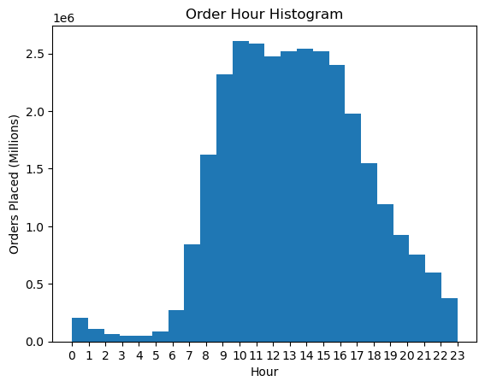
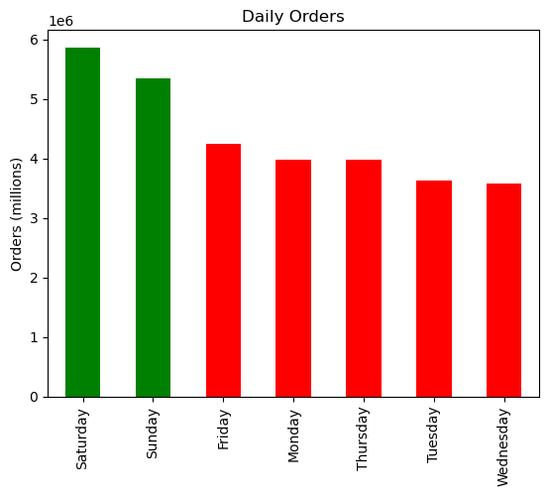

The Busiest Days of the week are Saturday and Sunday depicted by the first chart with the numbers distinguishing the days of the week starting with 0, being Saturday, going through 6, being Friday. The weekdays are the least busy.
The busiest hours are from 9am to 5pm. the histogram starts at 0 ,being 12am and goes through 23 ,which is 11pm. The early morning and late night hours are the least busy.

Question 2: They also want to know whether there are particular times of the day when people spend the most money

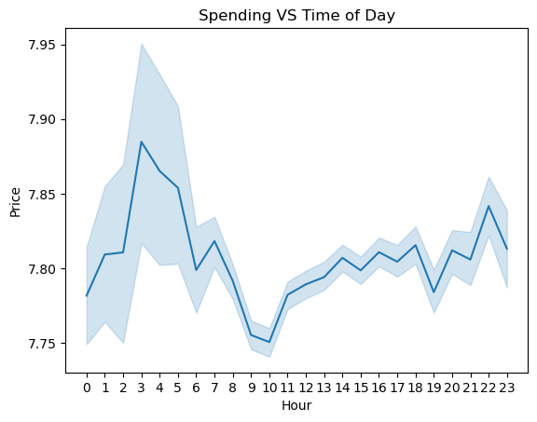

The line Chart is showing that people buy higher priced items between 3 and 6 am.

Question 3: Instacart has a lot of products with different price tag. Marketing and sales want to use simpler price range groupings to help direct their efforts



This chart is showing the products priced $25 or less. The price of most products is less than $15.

Question 4: Are there certain types of products that are more popular than others?

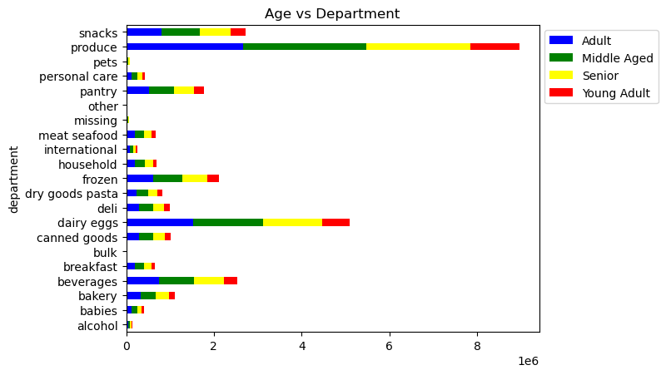
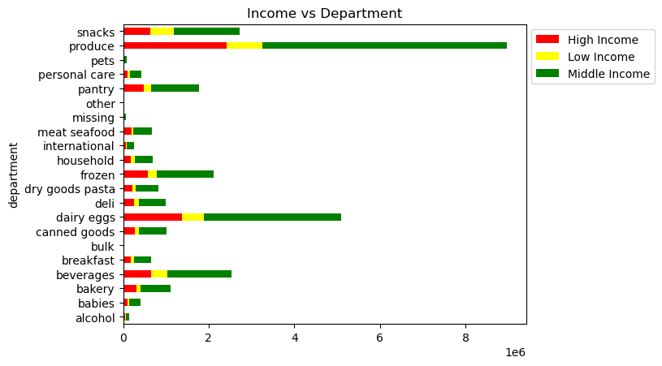
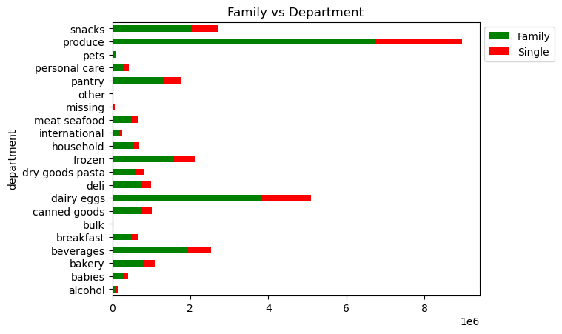

All 3 of these charts are showing that produce is the most popular department, followed by dairy/eggs, snacks, and beverages. Regardless of age, income or family status.

Question 5: The marketing and sales teams are particularly interested in the different types of customers in their system and how their ordering behaviors differ.

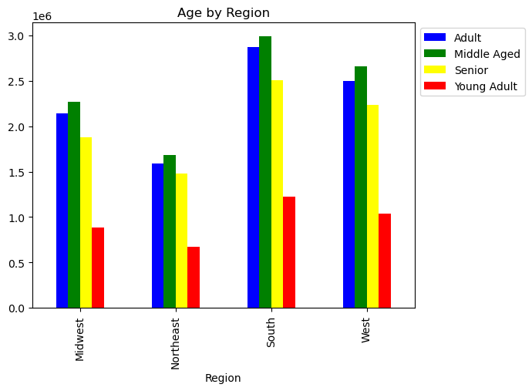
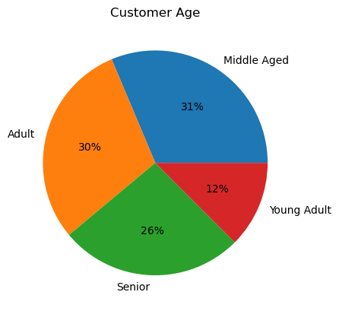

Both the pie chart and the bar chart are showing that the majority of the customers are adults ( ages 26-44) and Middle Aged ( ages 45-64). The bar chart also shows that Regions 3 & 4 have the most customers.

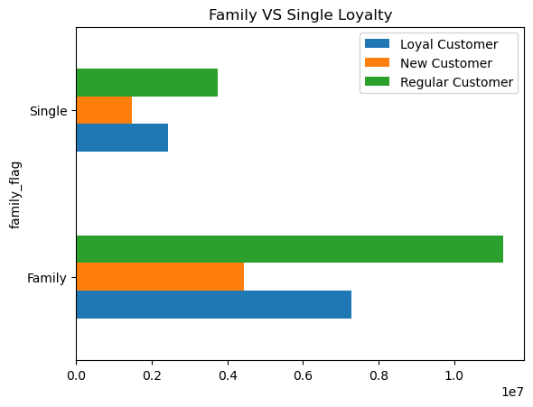
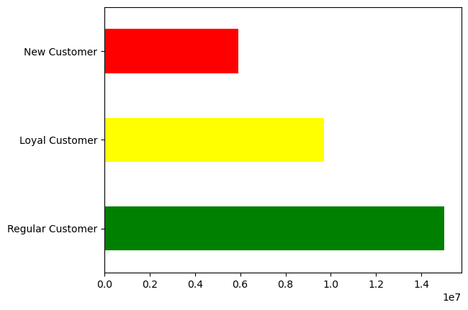

These Charts show that most customers are regular customers according to the loyalty_flag column. These regular customers have 11-39 total orders. Loyal Customers have more than 40 orders and this is showing that there are more loyal and regular customers than new customers, who have less than 10 total orders. This is also showing that famlies are usually Regular or Loyal customers

Family status or age doesn't seem to matter when it comes to which products are orderd. The same departments are still the most popular. Produce, Dairy/eggs, snacks, beverages.

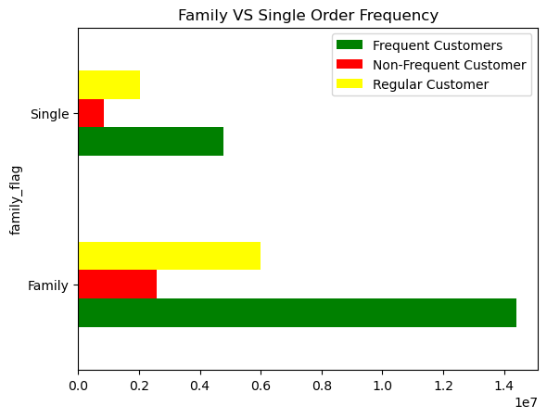
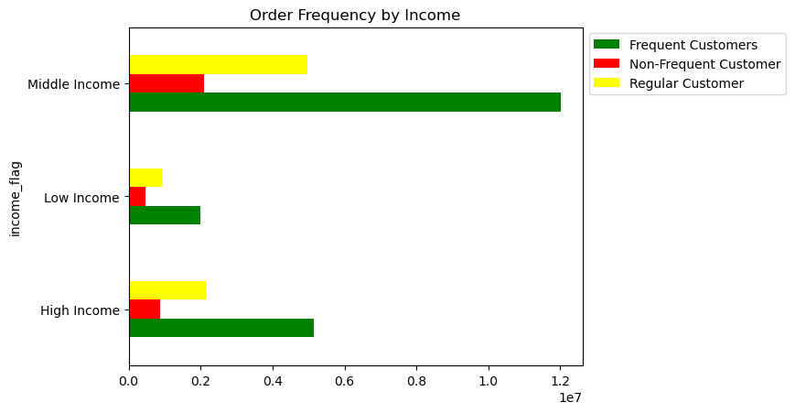

A customer marked family has a higher order frequency than those that are single. A customer with a family orders more frequently.
Customers with a middle income of $55k to $175k are usually frequent or regular customers.

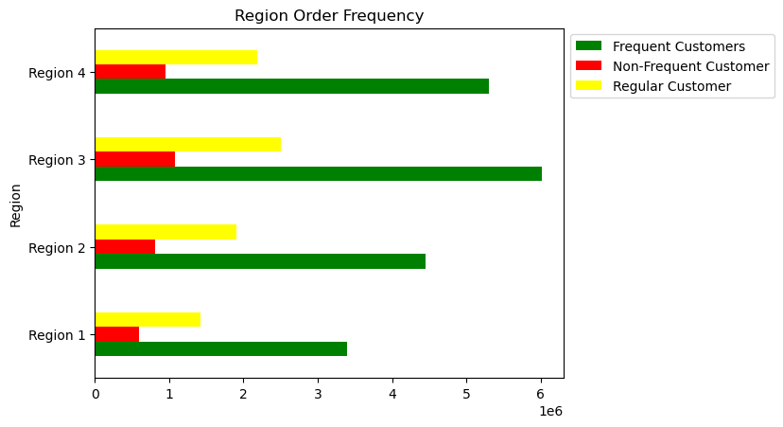
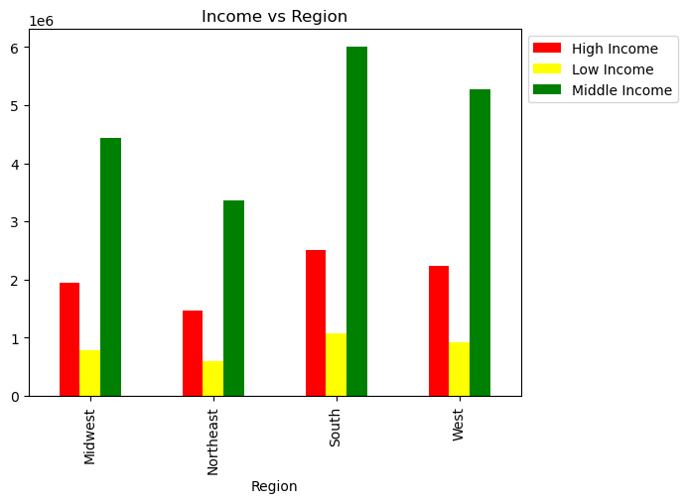

These charts are also showing that Regions 3 & 4 have the most customers, and of those customers the majority of them are frequent customers with middle income making $50k to $175k per year

7. Recommendations
Title page

Recommendations

In this tab you should include any recommendations you would made to Instcart in terms of their marketing strategy based on the questions posed in the brief. Every key question has been covered in the Tasks of the Exercises - here you need to add an item - a visualisation or table/crosstable that is showing the answer in the data, acompanied by a comment from you. Please, list the questions below and add the answer underneath.

Question 1: What are the busiest days of the week and hours of the day?

According to the bar chart the busiest days are Saturday and Sunday, which is the weekend and people are normally off work. While the weekdays are the least busy which is when people are normally at work.
The histogram is showing that the busiest times are from 9 am to around 5pm. While the slowest times are during the early morning hours from midnight to 6 am.
I would recommend to schedule ads monday through Friday from around after 5 pm

Question 2: What times of day do people spend the most money?

This line chart is showing that people buy higher priced items during the early morning hours
I would reccomend advertising low and mid range products during this time, those items between $0 and $15.

Question 3: Instacart wants to use simpiler price range groupings to help direct their efforts.

This histogram shows products less than $25 and the frequency they are ordered.
I would reccomend grouping them as Low, Mid and High range products.
The products over $15 are not ordered frequently so I grouped those as high range products. Any product from $6 to $15 I grouped as mid range and those $5 or less were grouped as low-range.

Question 4: Are there certain types of products that are more popular than others?

All of these charts are showing that regardless of age, family status or income the most frequently ordered products are those located in the produce, dairy/eggs, snacks, and beverage departments.

Question 5: The marketing and sales teams are particularly interested in the different types of customers in their system and how their ordering behaviors differ.

Most Customers are middle aged or adult. Ages ranging from 26 to 64 years old.

 | family_flag | Family | Single
 | Loyal Customer | 7268283 | 2439107
 | New Customer | 4427458 | 1474703
 | Regular Customer | 11284302 | 3735888

Most of the customers are regular or loyal customers. Also, the majority of the regular and loyal customers have families.
I would reccomend offering some form of loyalty program for regular customers so they become loyal customers.

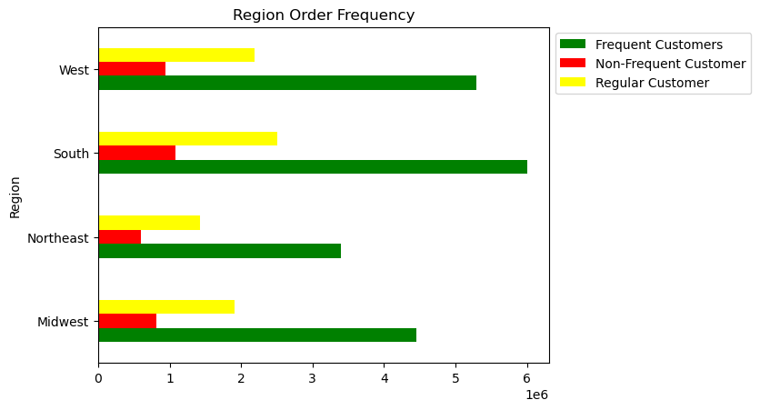

These bar charts are showing that regions 3 and 4 have the highest number of customers , regardless of age or income, and of those custoemrs the majority of them are frequent customers.
I would reccomend more advertising in regions 1 and 2 to gain more customers.

